Correction Factors
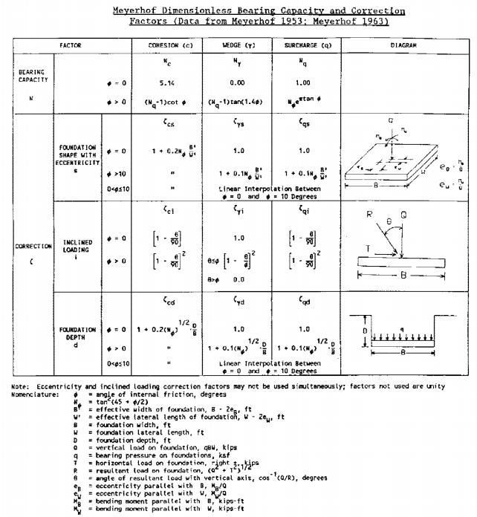
if 0<phi<=10

